Female chart
 | 1992-1996 | 1997-2001 | 2002-2006 | 2007-2011 | 2012-2016
Northern Ireland | 9.048 | 12.792 | 7.488 | 13.728 | -1.248
Iceland | 0.104 | 18.096 | -1.248 | 11.336 | 0.104
England & Wales | 8.32 | 10.608 | 11.232 | 13 | 1.144
USA | 2.6 | 3.224 | 8.944 | 8.528 | 1.872
Scotland | 6.968 | 10.4 | 9.776 | 11.024 | 2.496
Netherlands | 1.872 | 4.056 | 12.272 | 10.088 | 2.704
France | 9.152 | 9.256 | 12.792 | 8.528 | 3.432
Sweden | 10.192 | 5.512 | 8.84 | 8.008 | 4.368
Germany | 12.168 | 14.664 | 10.088 | 6.136 | 4.576
Austria | 11.44 | 15.392 | 11.128 | 8.32 | 5.304
Switzerland | 9.36 | 10.088 | 9.152 | 8.84 | 5.72
Spain | 13 | 12.168 | 10.816 | 9.256 | 7.176
Israel | 15.288 | 12.792 | 10.816 | 10.816 | 8.216
Estonia | 6.552 | 9.568 | 21.736 | 24.856 | 9.152
Latvia | -0.832 | 10.92 | 6.448 | 25.272 | 9.152
Slovakia | 15.912 | 9.048 | 7.592 | 13.208 | 9.256
Lithuania | -0.208 | 17.576 | -4.264 | 20.8 | 9.464
Poland | 15.08 | 18.72 | 12.792 | 12.168 | 9.984
Denmark | 2.912 | 9.88 | 13.52 | 13.728 | 9.984
Croatia* | 0 | 0 | 9.568 | 10.088 | 9.984
Czech Republic | 16.328 | 12.376 | 14.04 | 10.4 | 10.504
Hungary | 10.712 | 16.224 | 10.4 | 9.776 | 11.128
Japan | 13.936 | 14.04 | 8.944 | 1.768 | 13.312
Korea* | 0 | 0 | 14.768 | 19.552 | 14.456

M chart
 | 1992-1996 | 1997-2001 | 2002-2006 | 2007-2011 | 2012-2016
Iceland | 17.16 | 18.408 | 11.336 | 11.44 | -1.664
USA | 10.816 | 12.48 | 10.504 | 11.96 | -0.416
England & Wales | 12.272 | 15.496 | 14.872 | 17.264 | 3.952
Scotland | 6.552 | 14.144 | 15.288 | 17.264 | 4.472
Germany | 13.832 | 19.344 | 15.288 | 10.712 | 6.344
Netherlands | 6.24 | 12.064 | 18.928 | 16.328 | 7.072
Sweden | 16.328 | 10.608 | 11.96 | 11.544 | 8.008
Israel | 11.024 | 8.736 | 16.016 | 13.416 | 8.112
France | 12.376 | 14.144 | 18.096 | 13.208 | 9.36
Northern Ireland | 15.184 | 14.248 | 9.984 | 17.68 | 9.464
Spain | 12.272 | 16.744 | 14.664 | 16.12 | 10.504
Austria | 14.56 | 20.072 | 15.496 | 10.296 | 11.128
Croatia* | 0 | 0 | 13.936 | 14.352 | 11.856
Switzerland | 19.032 | 14.664 | 17.576 | 13 | 12.896
Latvia | -9.88 | 15.912 | 7.28 | 37.336 | 12.896
Denmark | 6.032 | 16.848 | 12.792 | 18.72 | 13
Poland | 22.152 | 21.424 | 9.88 | 15.704 | 13.728
Czech Republic | 21.632 | 17.784 | 15.184 | 12.896 | 13.832
Hungary | 12.376 | 19.656 | 9.256 | 21.528 | 14.664
Lithuania | -5.408 | 13.416 | -8.84 | 30.992 | 14.872
Slovakia | 20.072 | 7.904 | 9.88 | 19.136 | 15.496
Japan | 9.152 | 10.296 | 9.464 | 5.304 | 16.12
Estonia | -0.416 | 7.592 | 25.792 | 38.064 | 19.656
Korea* | 0 | 0 | 17.368 | 19.344 | 20.592

UK nations chart
Female average annual change in life expectancy for 5 year periods from 1947-2016, Northern Ireland, Scotland and England & Wales. Source: Human Mortality Database.
 | Northern Ireland | Scotland | E&W total
1951 | 0.498 | 0.596 | 0.37
1956 | 0.824 | 0.564 | 0.466
1961 | 0.15 | 0.13 | 0.104
1966 | 0.068 | 0.152 | 0.174
1971 | 0.268 | 0.262 | 0.152
1976 | -0.05 | 0.078 | 0.072
1981 | 0.352 | 0.216 | 0.24
1986 | 0.23 | 0.174 | 0.154
1991 | 0.27 | 0.17 | 0.188
1996 | 0.174 | 0.134 | 0.16
2001 | 0.246 | 0.2 | 0.204
2006 | 0.144 | 0.188 | 0.216
2011 | 0.264 | 0.212 | 0.25
2016 | -0.024 | 0.048 | 0.022

Male average annual change in life expectancy for 5 year periods from 1947-2016, Northern Ireland, Scotland and England & Wales. Source: Human Mortality Database
1951 | 0.366 | 0.698 | 0.262
1956 | 0.712 | 0.36 | 0.372
1961 | -0.18 | 0.044 | 0.05
1966 | 0.096 | 0.106 | 0.092
1971 | 0.106 | 0.172 | 0.15
1976 | -0.082 | 0.08 | 0.104
1981 | 0.306 | 0.232 | 0.266
1986 | 0.28 | 0.196 | 0.19
1991 | 0.344 | 0.258 | 0.25
1996 | 0.292 | 0.126 | 0.236
2001 | 0.274 | 0.272 | 0.298
2006 | 0.192 | 0.294 | 0.286
2011 | 0.34 | 0.332 | 0.332
2016 | 0.182 | 0.086 | 0.076

Sheet1
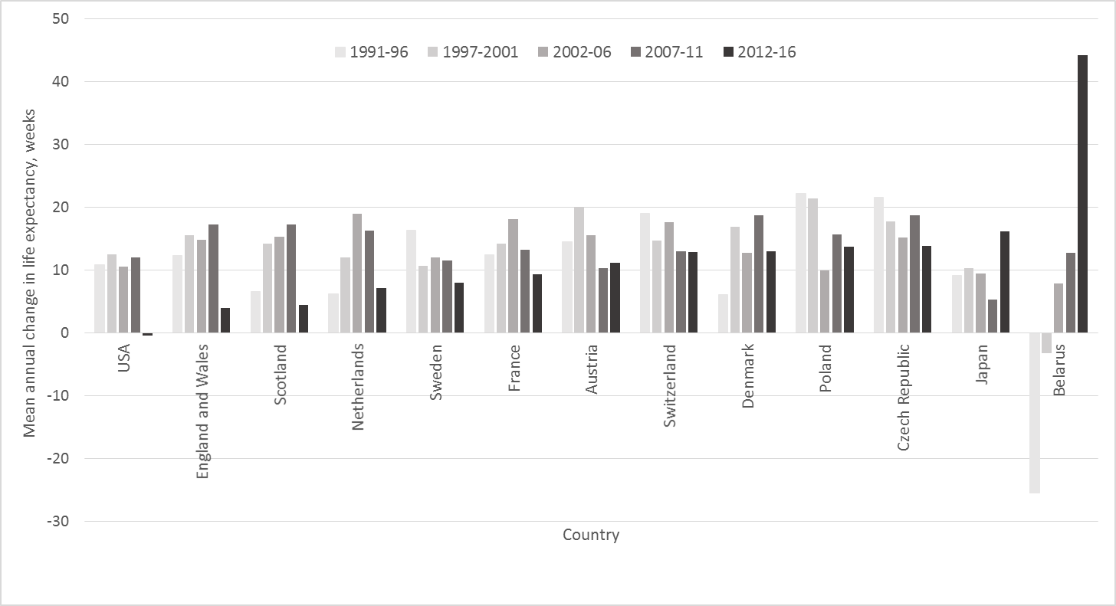

 | 1991-1996 | 1997-2001 | 2002-2006 | 2007-2011 | 2012-2016
 | 1 | 1 | 1 | 1 | 1

 | 1 | 1 | 1 | 1 | 1 | 1

Correlation
 | Female |  | Male
80.82 | 2.496 | 76.5 | 4.472
82.93 | 1.144 | 79.04 | 3.952
82.42 | -1.248 | 77.85 | 9.464
83.43 | 5.304 | 78.07 | 11.128
84.69 | 5.72 | 80.29 | 12.896
80.86 | 10.504 | 74.72 | 13.832
82.83 | 4.576 | 77.78 | 6.344
81.83 | 9.984 | 77.7 | 13
85.1 | 7.176 | 79.26 | 10.504
81 | 9.152 | 71.3 | 19.656
84.99 | 3.432 | 78.44 | 9.36
80.21 | 9.984 | 73.77 | 11.856
78.5 | 11.128 | 71.15 | 14.664
83.87 | 0.104 | 80.46 | -1.664
83.45 | 8.216 | 79.87 | 8.112
85.89 | 13.312 | 79.45 | 16.12
84.07 | 14.456 | 77.36 | 20.592
79.07 | 9.464 | 68.03 | 14.872
78.51 | 9.152 | 68.55 | 12.896
82.86 | 2.704 | 79.2 | 7.072
80.76 | 9.984 | 72.52 | 13.728
79.66 | 9.256 | 72.26 | 15.496
83.67 | 4.368 | 79.8 | 8.008
81.21 | 1.872 | 76.43 | -0.416

